Global CCS Database
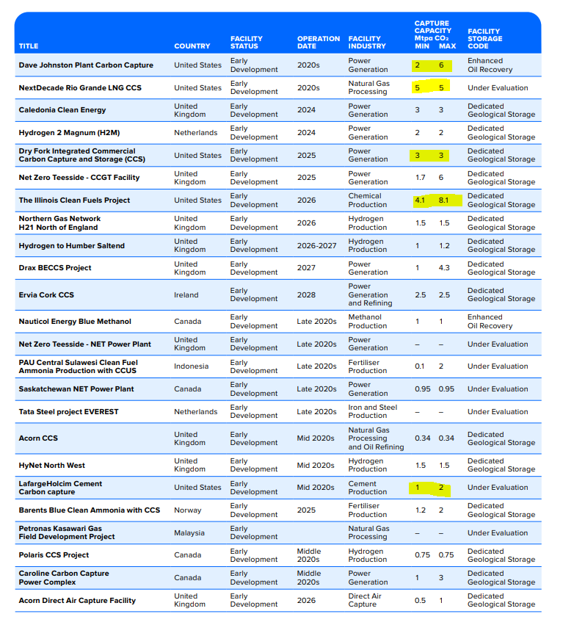
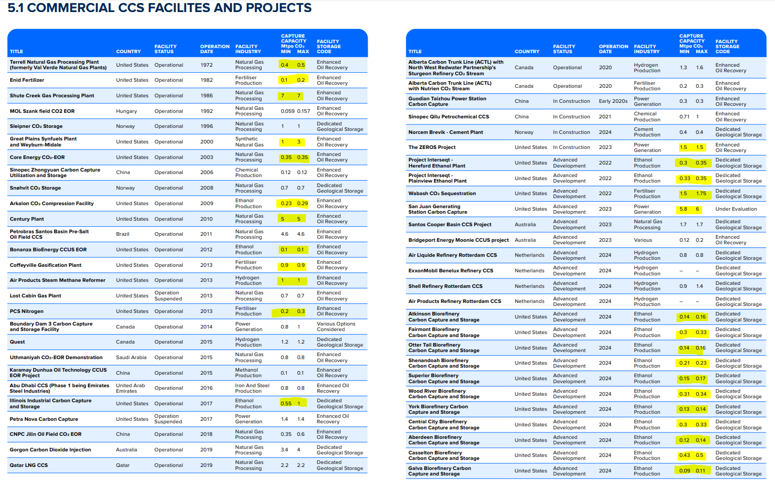
Data in columns A:E is compiled using the CCS Institute Table 5 (pictured starting in column G). Only projects based in the United States are listed here.
 |  | 0.70194680559 | 0.070422535211
Minimum Capture Capacity (million tons of CO2 abatement per year) | Maximum Capture Capacity (million tons of CO2 abatement per year) | Average Capture Capacity (million tons of CO2 abatement per year) | Start Year | EPS Industry Category or Plant Type
0.1 | 0.2 | 0.15 | 1982 | chemicals 20
1 | 3 | 2 | 2000 | refined petroleum and coke 19
0.23 | 0.29 | 0.26 | 2009 | refined petroleum and coke 19
0.1 | 0.1 | 0.1 | 2012 | refined petroleum and coke 19
0.9 | 0.9 | 0.9 | 2013 | chemicals 20
0.2 | 0.3 | 0.25 | 2013 | chemicals 20
0.55 | 1 | 0.775 | 2017 | refined petroleum and coke 19
0.3 | 0.35 | 0.325 | 2022 | refined petroleum and coke 19
0.33 | 0.35 | 0.34 | 2022 | refined petroleum and coke 19
1.5 | 1.75 | 1.625 | 2022 | refined petroleum and coke 19
0.14 | 0.16 | 0.15 | 2024 | refined petroleum and coke 19
0.3 | 0.33 | 0.315 | 2024 | refined petroleum and coke 19
0.14 | 0.16 | 0.15 | 2024 | refined petroleum and coke 19
0.21 | 0.23 | 0.22 | 2024 | refined petroleum and coke 19
0.15 | 0.17 | 0.16 | 2024 | refined petroleum and coke 19
0.31 | 0.34 | 0.325 | 2024 | refined petroleum and coke 19
0.13 | 0.14 | 0.135 | 2024 | refined petroleum and coke 19
0.3 | 0.33 | 0.315 | 2024 | refined petroleum and coke 19
0.12 | 0.14 | 0.13 | 2024 | refined petroleum and coke 19
0.43 | 0.5 | 0.465 | 2024 | refined petroleum and coke 19
0.09 | 0.11 | 0.1 | 2024 | refined petroleum and coke 19
0.18 | 0.22 | 0.2 | 2024 | refined petroleum and coke 19
0.29 | 0.34 | 0.315 | 2024 | refined petroleum and coke 19
0.15 | 0.18 | 0.165 | 2024 | refined petroleum and coke 19
0.16 | 0.19 | 0.175 | 2024 | refined petroleum and coke 19
0.08 | 0.09 | 0.085 | 2024 | refined petroleum and coke 19
0.13 | 0.16 | 0.145 | 2024 | refined petroleum and coke 19
0.49 | 0.57 | 0.53 | 2024 | refined petroleum and coke 19
0.39 | 0.46 | 0.425 | 2024 | refined petroleum and coke 19
0.29 | 0.34 | 0.315 | 2024 | refined petroleum and coke 19
0.13 | 0.16 | 0.145 | 2024 | refined petroleum and coke 19
0.34 | 0.4 | 0.37 | 2024 | refined petroleum and coke 19
0.22 | 0.26 | 0.24 | 2024 | refined petroleum and coke 19
0.13 | 0.15 | 0.14 | 2024 | refined petroleum and coke 19
0.19 | 0.23 | 0.21 | 2024 | refined petroleum and coke 19
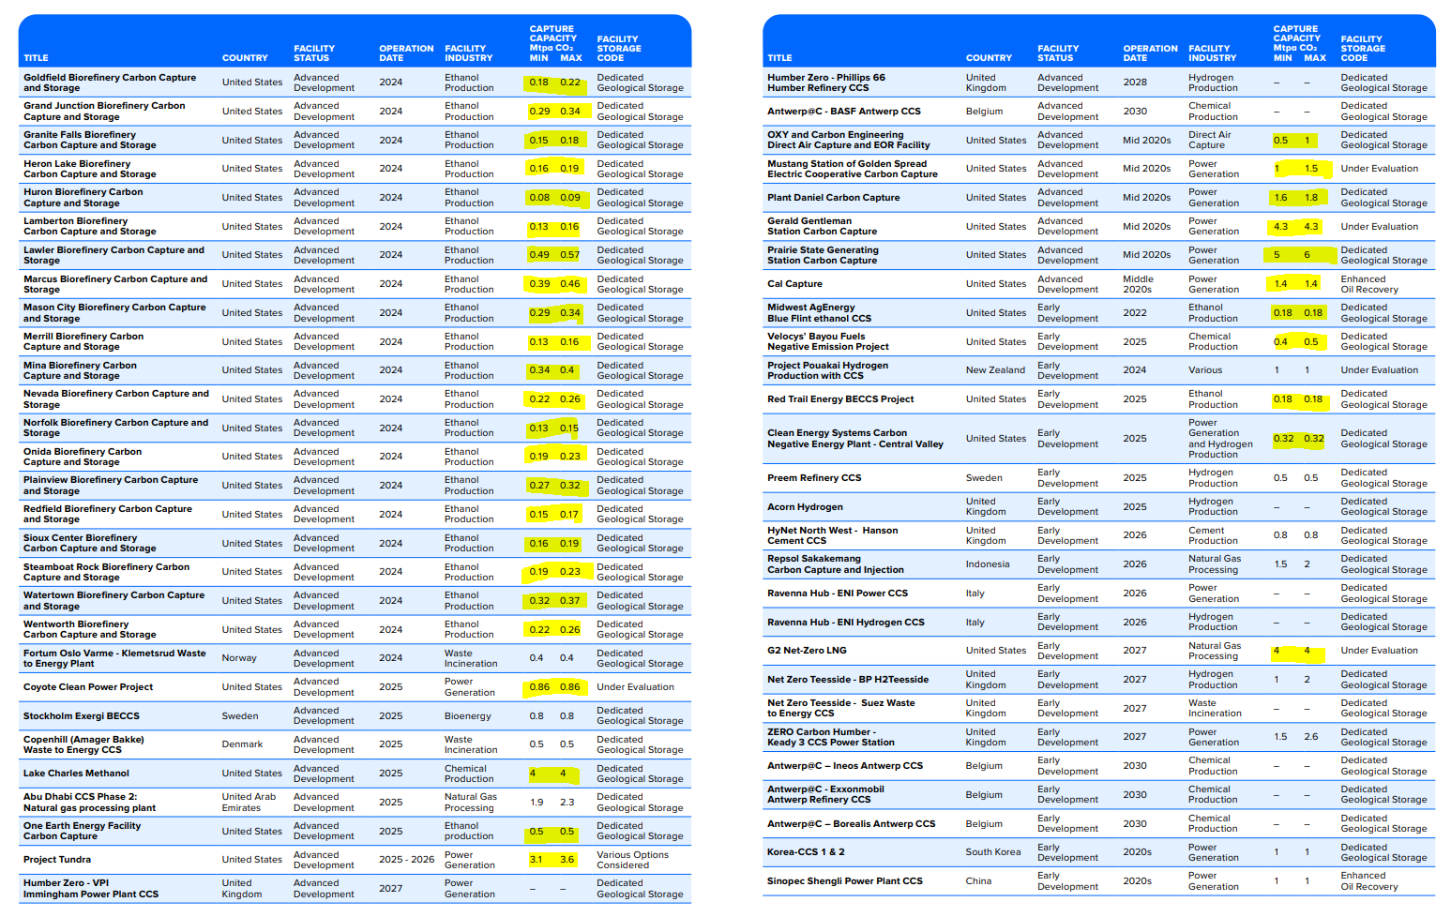
0.27 | 0.32 | 0.295 | 2024 | refined petroleum and coke 19
0.15 | 0.17 | 0.16 | 2024 | refined petroleum and coke 19
0.16 | 0.19 | 0.175 | 2024 | refined petroleum and coke 19
0.19 | 0.23 | 0.21 | 2024 | refined petroleum and coke 19
0.32 | 0.37 | 0.345 | 2024 | refined petroleum and coke 19
0.22 | 0.26 | 0.24 | 2024 | refined petroleum and coke 19
4 | 4 | 4 | 2025 | chemicals 20
0.5 | 0.5 | 0.5 | 2025 | refined petroleum and coke 19
0.18 | 0.18 | 0.18 | 2022 | refined petroleum and coke 19
0.4 | 0.5 | 0.45 | 2025 | chemicals 20
0.18 | 0.18 | 0.18 | 2025 | refined petroleum and coke 19
4.1 | 8.1 | 6.1 | 2026 | chemicals 20

Rhodium
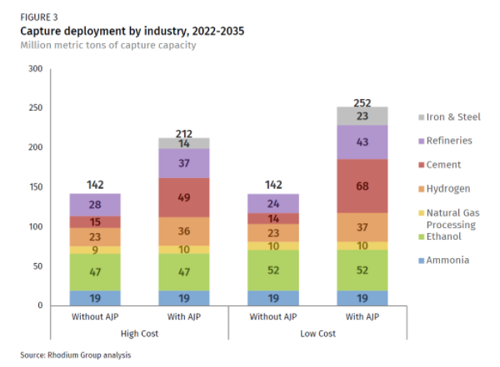

The potentials below use the "Without AJP" values from Figure 3 above and are presented as MMT of capture capacity.

agriculture and forestry 01T03
coal mining 05
oil and gas extraction 06
other mining and quarrying 07T08
food beverage and tobacco 10T12
textiles apparel and leather 13T15
wood products 16
pulp paper and printing 17T18
refined petroleum and coke 19 | 75
chemicals 20 | 42 | *hydrogen mapped to the chemicals industry
rubber and plastic products 22
glass and glass products 231
cement and other nonmetallic minerals 239 | 15
iron and steel 241
other metals 242
metal products except machinery and vehicles 25
computers and electronics 26
appliances and electrical equipment 27
other machinery 28
road vehicles 29
nonroad vehicles 30
other manufacturing 31T33
energy pipelines and gas processing 352T353 | 9
water and waste 36T39
construction 41T43

BAU Calculations
CCS Capacity by Year (tons CO2)
 | 2018 | 2019 | 2020 | 2021 | 2022 | 2023 | 2024 | 2025 | 2026 | 2027 | 2028 | 2029 | 2030 | 2031 | 2032 | 2033 | 2034 | 2035 | 2036 | 2037 | 2038 | 2039 | 2040 | 2041 | 2042 | 2043 | 2044 | 2045 | 2046 | 2047 | 2048 | 2049 | 2050
refined petroleum and coke 19 | 3.13E+00 | 3.13E+00 | 3.13E+00 | 3.13E+00 | 5.60E+00 | 5.60E+00 | 1.30E+01 | 1.36E+01 | 1.36E+01 | 1.36E+01
chemicals 20 | 1.30E+00 | 1.30E+00 | 1.30E+00 | 1.30E+00 | 1.30E+00 | 1.30E+00 | 1.30E+00 | 5.75E+00 | 1.18E+01 | 1.18E+01
cement and other nonmetallic minerals 239 | 0.00E+00 | 0.00E+00 | 0.00E+00 | 0.00E+00 | 0.00E+00 | 0.00E+00 | 0.00E+00 | 1.50E+00 | 1.50E+00 | 1.50E+00
energy pipelines and gas processing 352T353 | 1.28E+01 | 1.28E+01 | 1.28E+01 | 1.28E+01 | 1.28E+01 | 1.28E+01 | 1.28E+01 | 1.78E+01 | 1.78E+01 | 2.18E+01
Annual CO2 Capture (tons/yr) Through 2026

The database only includes projects coming online through 2027. We will assume that the overall increase in capacity
after 2027 follows a linear trend based on the 2018-2027 period.
We don't want to model these values exactly, as the timeline for each future project is uncertain. We just want to get
a general idea of the rate of increase. Therefore, we will use a trendline extending across the whole period, which will
provide a smooth increase in potential and avoid discontinuities in output graphs.

For the period of 2027-2035, we use a linear trend based on growth forecasted by Rhodium.
Afte 2035, we hold CCS constant (based both on the uncertainty of projecting growth past
this point and the fact that 45Q tax credits will expire).

 | 2027 | 2035
refined petroleum and coke 19 | 1.36E+01 | 7.50E+01
chemicals 20 | 1.18E+01 | 4.20E+01
cement and other nonmetallic minerals 239 | 1.50E+00 | 1.50E+01
energy pipelines and gas processing 352T353 | 2.18E+01 | 9.00E+00

 | 2018 | 2019 | 2020 | 2021 | 2022 | 2023 | 2024 | 2025 | 2026 | 2027 | 2028 | 2029 | 2030 | 2031 | 2032 | 2033 | 2034 | 2035 | 2036 | 2037 | 2038 | 2039 | 2040 | 2041 | 2042 | 2043 | 2044 | 2045 | 2046 | 2047 | 2048 | 2049 | 2050
refined petroleum and coke 19 | 7.34E-01 | 2.33E+00 | 3.92E+00 | 5.51E+00 | 7.11E+00 | 8.70E+00 | 1.03E+01 | 1.19E+01 | 1.35E+01 | 1.36E+01 | 2.13E+01 | 2.90E+01 | 3.66E+01 | 4.43E+01 | 5.20E+01 | 5.97E+01 | 6.73E+01 | 7.50E+01 | 7.50E+01 | 7.50E+01 | 7.50E+01 | 7.50E+01 | 7.50E+01 | 7.50E+01 | 7.50E+01 | 7.50E+01 | 7.50E+01 | 7.50E+01 | 7.50E+01 | 7.50E+01 | 7.50E+01 | 7.50E+01 | 7.50E+01
chemicals 20 | 0.00E+00 | 1.89E-01 | 1.12E+00 | 2.04E+00 | 2.97E+00 | 3.89E+00 | 4.82E+00 | 5.74E+00 | 6.67E+00 | 1.19E+01 | 1.56E+01 | 1.94E+01 | 2.32E+01 | 2.69E+01 | 3.07E+01 | 3.45E+01 | 3.82E+01 | 4.20E+01 | 4.20E+01 | 4.20E+01 | 4.20E+01 | 4.20E+01 | 4.20E+01 | 4.20E+01 | 4.20E+01 | 4.20E+01 | 4.20E+01 | 4.20E+01 | 4.20E+01 | 4.20E+01 | 4.20E+01 | 4.20E+01 | 4.20E+01
cement and other nonmetallic minerals 239 | 0.00E+00 | 0.00E+00 | 0.00E+00 | 1.58E-01 | 3.33E-01 | 5.08E-01 | 6.83E-01 | 8.58E-01 | 1.03E+00 | 1.50E+00 | 3.19E+00 | 4.88E+00 | 6.56E+00 | 8.25E+00 | 9.94E+00 | 1.16E+01 | 1.33E+01 | 1.50E+01 | 1.50E+01 | 1.50E+01 | 1.50E+01 | 1.50E+01 | 1.50E+01 | 1.50E+01 | 1.50E+01 | 1.50E+01 | 1.50E+01 | 1.50E+01 | 1.50E+01 | 1.50E+01 | 1.50E+01 | 1.50E+01 | 1.50E+01
energy pipelines and gas processing 352T353 | 1.16E+01 | 1.22E+01 | 1.27E+01 | 1.33E+01 | 1.39E+01 | 1.45E+01 | 1.51E+01 | 1.57E+01 | 1.62E+01 | 1.68E+01 | 1.74E+01 | 1.80E+01 | 1.86E+01 | 1.92E+01 | 1.97E+01 | 2.03E+01 | 2.09E+01 | 2.15E+01 | 2.15E+01 | 2.15E+01 | 2.15E+01 | 2.15E+01 | 2.15E+01 | 2.15E+01 | 2.15E+01 | 2.15E+01 | 2.15E+01 | 2.15E+01 | 2.15E+01 | 2.15E+01 | 2.15E+01 | 2.15E+01 | 2.15E+01
Annual CO2 Capture (tons/yr) Linear Trend Through 2050

EPS-US 3.1.1 BAU Model Run Results (grams CO2)
Industry Sector
Time (Time) | 2020 | 2021 | 2022 | 2023 | 2024 | 2025 | 2026 | 2027 | 2028 | 2029 | 2030 | 2031 | 2032 | 2033 | 2034 | 2035 | 2036 | 2037 | 2038 | 2039 | 2040 | 2041 | 2042 | 2043 | 2044 | 2045 | 2046 | 2047 | 2048 | 2049 | 2050
Process Emissions before CCS[refined petroleum and coke 19,CO2] : MostRecentRun | 2.30E+12 | 2.23E+12 | 2.38E+12 | 2.46E+12 | 2.53E+12 | 2.62E+12 | 2.65E+12 | 2.65E+12 | 2.68E+12 | 2.67E+12 | 2.66E+12 | 2.64E+12 | 2.61E+12 | 2.61E+12 | 2.58E+12 | 2.56E+12 | 2.54E+12 | 2.52E+12 | 2.50E+12 | 2.50E+12 | 2.51E+12 | 2.49E+12 | 2.48E+12 | 2.48E+12 | 2.47E+12 | 2.50E+12 | 2.51E+12 | 2.52E+12 | 2.50E+12 | 2.48E+12 | 2.54E+12
Process Emissions before CCS[chemicals 20,CO2] : MostRecentRun | 1.79E+14 | 1.86E+14 | 1.79E+14 | 1.81E+14 | 1.82E+14 | 1.86E+14 | 1.88E+14 | 1.89E+14 | 1.92E+14 | 1.94E+14 | 1.97E+14 | 2.00E+14 | 2.04E+14 | 2.07E+14 | 2.10E+14 | 2.14E+14 | 2.17E+14 | 2.20E+14 | 2.24E+14 | 2.26E+14 | 2.29E+14 | 2.32E+14 | 2.36E+14 | 2.39E+14 | 2.40E+14 | 2.41E+14 | 2.45E+14 | 2.47E+14 | 2.47E+14 | 2.48E+14 | 2.53E+14
Process Emissions before CCS[cement and other nonmetallic minerals 239,CO2] : MostRecentRun | 6.37E+13 | 6.29E+13 | 6.62E+13 | 6.66E+13 | 6.80E+13 | 6.90E+13 | 6.94E+13 | 6.96E+13 | 6.99E+13 | 7.04E+13 | 7.14E+13 | 7.25E+13 | 7.34E+13 | 7.42E+13 | 7.50E+13 | 7.61E+13 | 7.68E+13 | 7.74E+13 | 7.80E+13 | 7.86E+13 | 7.95E+13 | 8.06E+13 | 8.14E+13 | 8.17E+13 | 8.23E+13 | 8.28E+13 | 8.34E+13 | 8.39E+13 | 8.40E+13 | 8.40E+13 | 8.43E+13
Process Emissions before CCS[energy pipelines and gas processing 352T353,CO2] : MostRecentRun | 2.75E+13 | 2.70E+13 | 2.69E+13 | 2.69E+13 | 2.69E+13 | 2.67E+13 | 2.66E+13 | 2.64E+13 | 2.66E+13 | 2.65E+13 | 2.63E+13 | 2.62E+13 | 2.62E+13 | 2.64E+13 | 2.62E+13 | 2.60E+13 | 2.59E+13 | 2.60E+13 | 2.62E+13 | 2.64E+13 | 2.66E+13 | 2.66E+13 | 2.68E+13 | 2.70E+13 | 2.72E+13 | 2.73E+13 | 2.75E+13 | 2.77E+13 | 2.79E+13 | 2.81E+13 | 2.84E+13

CO2 Capture Percentage by Year
 | 2020 | 2021 | 2022 | 2023 | 2024 | 2025 | 2026 | 2027 | 2028 | 2029 | 2030 | 2031 | 2032 | 2033 | 2034 | 2035 | 2036 | 2037 | 2038 | 2039 | 2040 | 2041 | 2042 | 2043 | 2044 | 2045 | 2046 | 2047 | 2048 | 2049 | 2050
refined petroleum and coke 19 | 100.00% | 100.00% | 100.00% | 100.00% | 100.00% | 100.00% | 100.00% | 100.00% | 100.00% | 100.00% | 100.00% | 100.00% | 100.00% | 100.00% | 100.00% | 100.00% | 100.00% | 100.00% | 100.00% | 100.00% | 100.00% | 100.00% | 100.00% | 100.00% | 100.00% | 100.00% | 100.00% | 100.00% | 100.00% | 100.00% | 100.00%
chemicals 20 | 1.53% | 2.86% | 4.29% | 5.60% | 6.90% | 8.09% | 9.33% | 12.06% | 17.88% | 23.54% | 29.01% | 34.30% | 39.29% | 44.25% | 48.97% | 53.53% | 52.67% | 51.92% | 51.23% | 50.62% | 50.08% | 49.38% | 48.63% | 47.92% | 47.76% | 47.55% | 46.73% | 46.31% | 46.43% | 46.16% | 45.28%
cement and other nonmetallic minerals 239 | 0.00% | 0.25% | 0.50% | 0.76% | 1.01% | 1.24% | 1.49% | 2.15% | 4.56% | 6.92% | 9.19% | 11.38% | 13.54% | 15.67% | 17.74% | 19.72% | 19.53% | 19.37% | 19.22% | 19.08% | 18.86% | 18.62% | 18.44% | 18.35% | 18.23% | 18.11% | 18.00% | 17.87% | 17.86% | 17.85% | 17.79%
energy pipelines and gas processing 352T353 | 46.34% | 49.29% | 51.71% | 53.92% | 56.11% | 58.66% | 61.02% | 63.77% | 65.43% | 67.88% | 70.56% | 73.08% | 75.30% | 77.03% | 79.90% | 82.83% | 83.02% | 82.61% | 82.07% | 81.51% | 80.93% | 80.65% | 80.23% | 79.52% | 79.11% | 78.71% | 78.08% | 77.49% | 77.01% | 76.60% | 75.79%

CO2 Capture Percentage

